Single Linkage
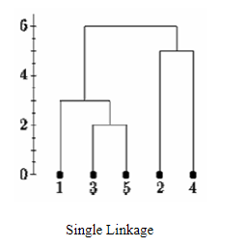
Distance Matrix (Euclidean Distance of each point) |  |  |  |  |  |  |  |  |  | https://online.stat.psu.edu/stat555/node/85/
 | P1 | P2 | P3 | P4 | P5 |  |  | X | Y
P1 | 0 |  |  |  |  |  | P1 | X1 | Y1
P2 | 9 | 0 |  |  |  |  | P2 | X2 | Y2
P3 | 3 | 7 | 0 |  |  |  | P3 | X3 | Y3
P4 | 6 | 5 | 9 | 0 |  |  | P4 | X4 | Y4
P5 | 11 | 10 | 2 | 8 | 0 |  | P5 | X5 | Y5

Single Linkage Problem
 | P1 | P2 | P3,P5 | P4
P1 | 0 |  |  |  |  | D(P1,[P3,P5]) = MIN ( D(P3,P1),D(P5,P1) ) = MIN ( 3,11) = 3
P2 | 9 | 0 |  |  |  | D(P2,[P3,P5]) = MIN ( D(P3,P2),D(P5,P2) ) = MIN ( 7,10) = 7
P3,P5 | 3 | 7 | 0 |  |  | D(P4,[P3,P5]) = MIN ( D(P3,P4),D(P5,P4) ) = MIN ( 9,8 ) = 8
P4 | 6 | 5 | 8 | 0

 | P1,P3,P5 | P2 | P4 |  |  | D(P2, [P1,P3,P5) = MIN ( D(P1,P2) , D(P3,P2) , D(P5,P2) )= MIN ( 9, 7, 10 ) = 7
P1,P3,P5 | 0 |  |  |  |  | D(P4, [P1,P3,P5) = MIN ( D(P1,P4) , D(P3,P4) , D(P5,P4) )= MIN ( 6, 9, 8 ) = 6
P2 | 7 | 0
P4 | 6 | 5 | 0

 | P1,P3,P5 | P2,P4
P1,P3,P5 | 0 |  |  |  |  | D([P1,P3,P5],P2,P4) = MIN(D(P2,P1), D(P2,P3), D(P2,P5), D(P4,P1), D(P4,P3), D(P4,P5))=MIN(9,7,10,6,9,8)=6
P2,P4 | 6 | 0

